Sheet1
Generate Top 3 students in all subjects.
The order of subjects in Result table should be same as in source table.
In case of duplicates, show the names in the same cell one below the other.
Name\Subject | Maths | English | Physics | History | Social Studies | Chemistry | Biology | Rank | Maths | English | Physics | History | Social Studies | Chemistry | Biology
Chris Webber | 20 | 49 | 20 |  | 28 |  | 100 | 1 | Kobe Bryant | Anthony Mason | Stephon Marbury | Jason Kidd | Elton Brand Alonzo Mourning | Latrell Sprewell | Chris Webber Rasheed Wallace
Elton Brand | 57 | 1 | 48 | 40 | 97 | 68 |  | 2 | Stephon Marbury | Jason Kidd | Shaquille O'Neal | Stephon Marbury | Latrell Sprewell Karl Malone Antonio McDyess | Gary Payton | Chris Webber
Allen Iverson | 36 | 25 | 39 | 26 | 75 |  |  | 3 | Theo Ratliff Antonio McDyess | Shaquille O'Neal | Jerry Stackhouse Gary Payton | Allan Houston | Glenn Robinson Dikembe Mutombo | Michael Finley | Kobe Bryant
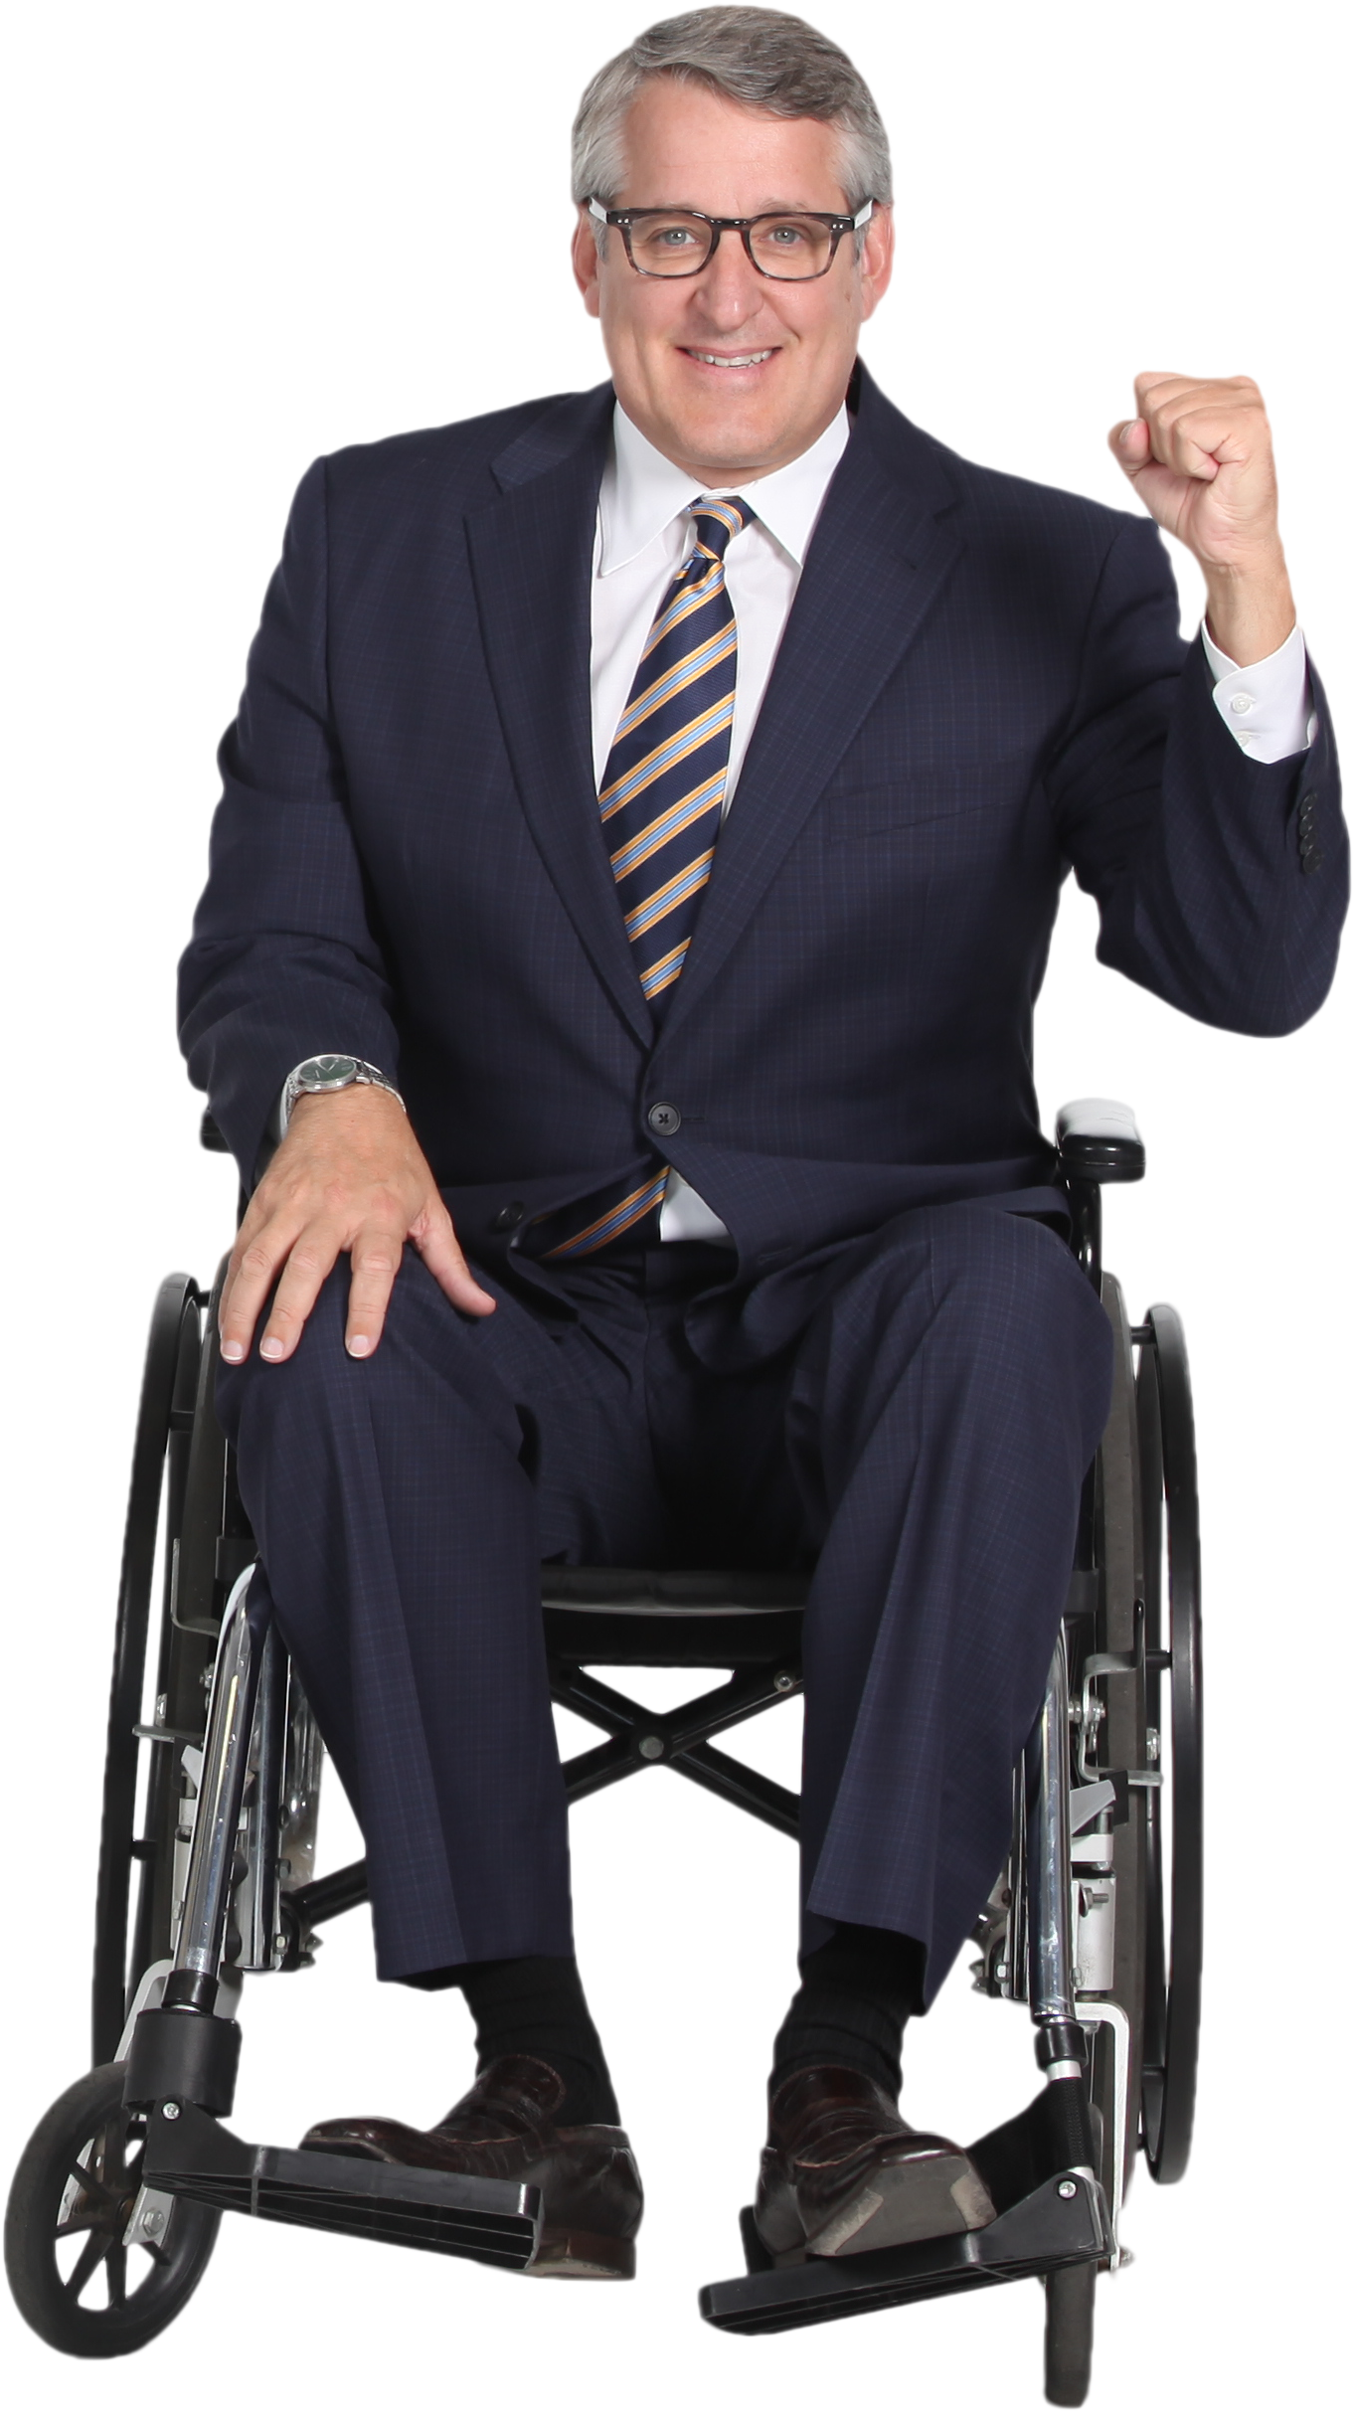
Tracy McGrady | 62 | 20 | 59 | 15 | 4 | 61
Result
Vince Carter | 42 | 7 |  |  | 22 | 10
Alonzo Mourning | 13 | 61 | 61 |  | 97 | 66
Grant Hill | 64 | 12 | 67 |  | 89
Ray Allen | 9 | 32 | 32 |  | 20 | 26
Antonio Davis | 43 | 43 | 75 |  | 11 | 18
Theo Ratliff | 77 | 11 |  | 5 | 85 | 40 | 22
PROBLEM
Glenn Robinson | 40 | 11 | 47 | 29 | 95 |  | 17
Jerry Stackhouse | 0 | 62 | 84 | 42 | 5 | 5 | 59
Stephon Marbury | 80 | 19 | 91 | 61 | 2 |  | 21
Anthony Mason | 21 | 86 |  | 42 | 46 | 44
Dikembe Mutombo | 53 | 49 | 66 | 29 | 95
Latrell Sprewell | 48 | 0 | 74 | 26 | 96 | 95
Allan Houston | 58 | 19 | 79 | 48 | 72 | 85
Jason Kidd | 41 | 79 | 39 | 81 | 79 | 9
Kobe Bryant | 100 | 54 | 37 |  | 91 | 23 | 77
Tim Duncan | 73 | 43 |  |  | 43 |  | 58
Shaquille O'Neal | 30 | 76 | 89 |  | 2 | 39 | 6
Chris Webber | 10 | 13 | 10 |  | 94 | 82 | 90
Michael Finley | 8 | 48 | 12 |  | 32 | 89
Kevin Garnett | 68 | 33 |  |  | 82
Karl Malone | 18 | 26 | 34 |  | 96 | 23
Antonio McDyess | 77 | 43 |  |  | 96
Gary Payton | 3 | 1 | 84 |  | 23 | 94
Rasheed Wallace | 37 | 52 | 75 |  | 17 | 87 | 100
David Robinson | 24 | 56 |  |  | 59 | 26 | 76
Vlade Divac | 26 | 48 |  |  | 46 |  | 62

